D1
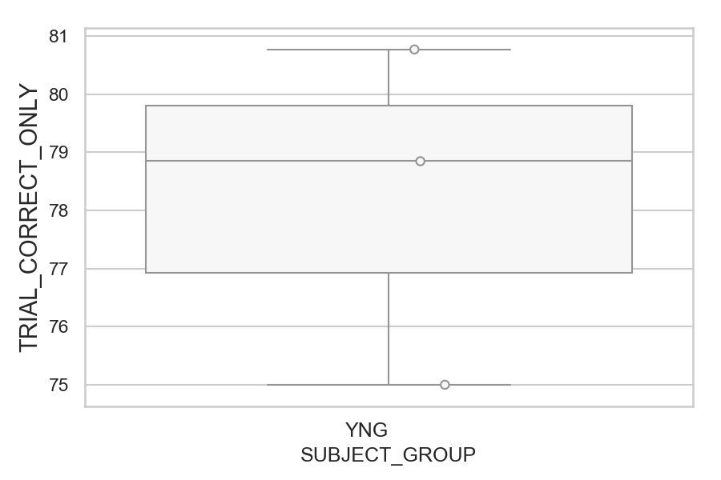
Total number of trials with the first saccade registered as correct (percentage)
SUBJECT_NAME | SUBJECT_GROUP | NUMBER_OF_CORRECT_TRIALS | TOTAL_NUMBER_OF_TRIALS | SUBJECT_AGE | VALUE
MP1 | YNG | 42 | 52 |  | 80.769230769
AW001CG | YNG | 41 | 52 | 19 | 78.846153846
AW002AF | YNG | 39 | 52 | 19 | 75

D1 (types)
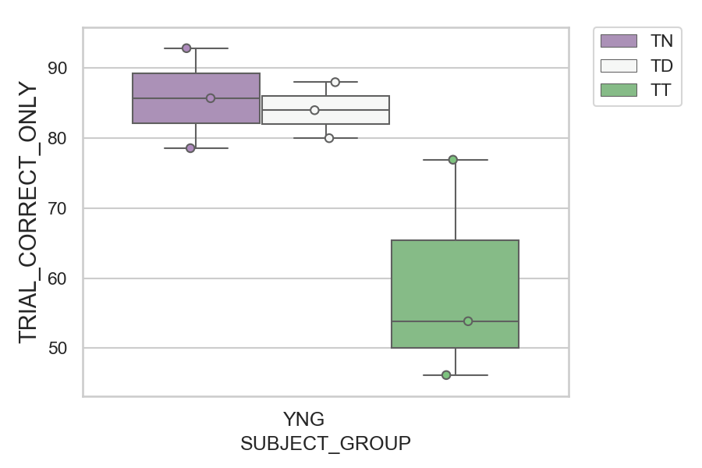
Total number of trials with the first saccade registered as correct (percentage)
SUBJECT_NAME | SUBJECT_GROUP | CONDITION_APPEARANCE | NUMBER_OF_CORRECT_TRIALS | TOTAL_NUMBER_OF_TRIALS | SUBJECT_AGE | VALUE
AW001CG | YNG | TN | 13 | 14 | 19 | 92.857142857
AW002AF | YNG | TD | 22 | 25 | 19 | 88
MP1 | YNG | TN | 12 | 14 |  | 85.714285714
AW001CG | YNG | TD | 21 | 25 | 19 | 84
MP1 | YNG | TD | 20 | 25 |  | 80
AW002AF | YNG | TN | 11 | 14 | 19 | 78.571428571
MP1 | YNG | TT | 10 | 13 |  | 76.923076923
AW001CG | YNG | TT | 7 | 13 | 19 | 53.846153846
AW002AF | YNG | TT | 6 | 13 | 19 | 46.153846154

D2
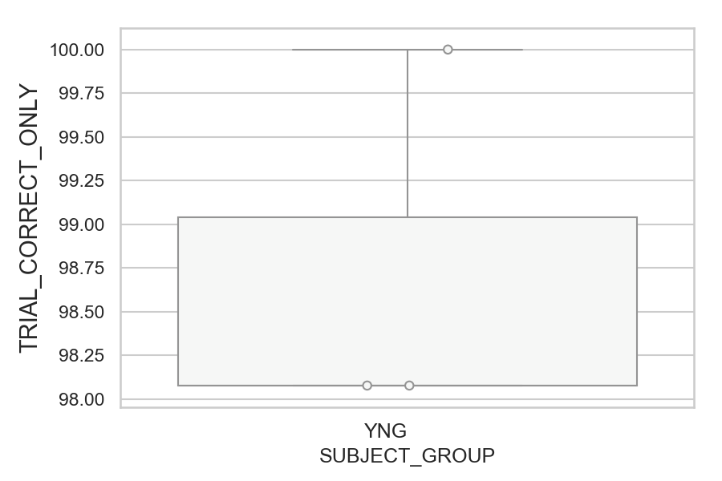
Total number of trials with the first saccade registered as correct (percentage)
SUBJECT_NAME | SUBJECT_GROUP | NUMBER_OF_CORRECT_TRIALS | TOTAL_NUMBER_OF_TRIALS | SUBJECT_AGE | VALUE
MP1 | YNG | 52 | 52 |  | 100
AW001CG | YNG | 51 | 52 | 19 | 98.076923077
AW002AF | YNG | 51 | 52 | 19 | 98.076923077

D2 (types)
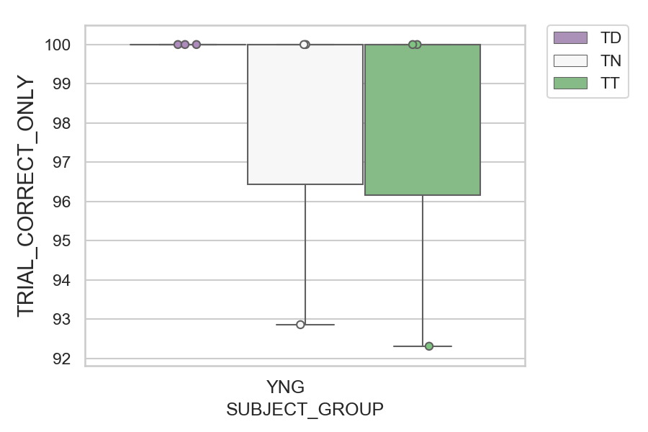
Total number of trials with the first saccade registered as correct (percentage)
SUBJECT_NAME | SUBJECT_GROUP | CONDITION_APPEARANCE | NUMBER_OF_CORRECT_TRIALS | TOTAL_NUMBER_OF_TRIALS | SUBJECT_AGE | VALUE
AW001CG | YNG | TD | 25 | 25 | 19 | 100
AW001CG | YNG | TN | 14 | 14 | 19 | 100
AW002AF | YNG | TD | 25 | 25 | 19 | 100
AW002AF | YNG | TT | 13 | 13 | 19 | 100
MP1 | YNG | TD | 25 | 25 |  | 100
MP1 | YNG | TN | 14 | 14 |  | 100
MP1 | YNG | TT | 13 | 13 |  | 100
AW002AF | YNG | TN | 13 | 14 | 19 | 92.857142857
AW001CG | YNG | TT | 12 | 13 | 19 | 92.307692308

D2 (no D1 failed)
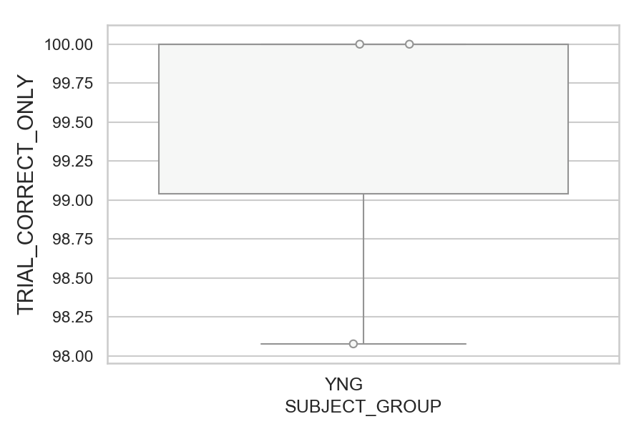
Total number of trials with the first saccade registered as correct (percentage)
SUBJECT_NAME | SUBJECT_GROUP | NUMBER_OF_CORRECT_TRIALS | TOTAL_NUMBER_OF_TRIALS | SUBJECT_AGE | VALUE
AW001CG | YNG | 51 | 51 | 19 | 100
MP1 | YNG | 50 | 50 |  | 100
AW002AF | YNG | 51 | 52 | 19 | 98.076923077

D2 (no D1 failed) (types)
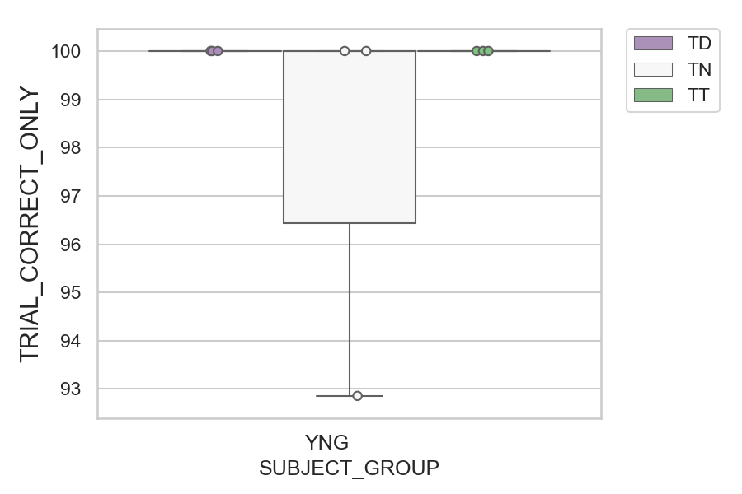
Total number of trials with the first saccade registered as correct (percentage)
SUBJECT_NAME | SUBJECT_GROUP | CONDITION_APPEARANCE | NUMBER_OF_CORRECT_TRIALS | TOTAL_NUMBER_OF_TRIALS | SUBJECT_AGE | VALUE
AW001CG | YNG | TD | 25 | 25 | 19 | 100
AW001CG | YNG | TN | 14 | 14 | 19 | 100
AW001CG | YNG | TT | 12 | 12 | 19 | 100
AW002AF | YNG | TD | 25 | 25 | 19 | 100
AW002AF | YNG | TT | 13 | 13 | 19 | 100
MP1 | YNG | TD | 23 | 23 |  | 100
MP1 | YNG | TN | 14 | 14 |  | 100
MP1 | YNG | TT | 13 | 13 |  | 100
AW002AF | YNG | TN | 13 | 14 | 19 | 92.857142857

